Sheet2
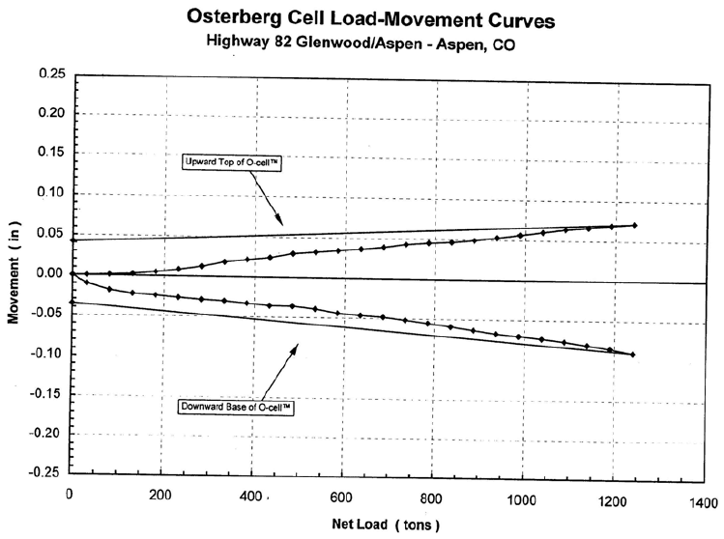
x | Curve1 |  | x | Curve1 | LOAD | LOAD, KIPS | UPWARD | DOWNWARD
1.07202 | 0.0414737 | 1 | -2.99346 | -0.037468 | 0 | 0 | 0.0000 | 0.0000
2.16485 | -0.00119877 |  | 0.0412891 | -0.00120734 | 32 | 64 | 0.0000 | -0.0118
32.0356 | -0.000912551 |  | 32.4636 | -0.0117692 | 83 | 165 | 0.0000 | -0.0210
83.2425 | -0.000421892 |  | 81.9382 | -0.0209616 | 135 | 270 | 0.0013 | -0.0253
134.418 | 0.00128798 |  | 135.521 | -0.025284 | 186 | 372 | 0.0030 | -0.0272
185.594 | 0.00299785 |  | 186.885 | -0.0272121 | 236 | 473 | 0.0059 | -0.0292
236.738 | 0.00592694 |  | 236.112 | -0.0291604 | 284 | 569 | 0.0113 | -0.0299
283.553 | 0.0112536 |  | 285.297 | -0.0299014 | 338 | 676 | 0.0166 | -0.0318
336.769 | 0.0166415 |  | 338.798 | -0.0318092 | 387 | 774 | 0.0196 | -0.0350
385.78 | 0.0195502 |  | 388.066 | -0.0349649 | 437 | 874 | 0.0225 | -0.0381
436.924 | 0.0224792 |  | 403.725 | -0.0553477 | 488 | 977 | 0.0278 | -0.0376
488.006 | 0.0278468 |  | 437.334 | -0.0381205 | 540 | 1079 | 0.0308 | -0.0408
539.151 | 0.0307758 |  | 488.615 | -0.0376339 | 588 | 1175 | 0.0337 | -0.0464
588.162 | 0.0336845 |  | 540.02 | -0.0407693 | 640 | 1280 | 0.0366 | -0.0483
639.306 | 0.0366136 |  | 587.234 | -0.0463599 | 688 | 1376 | 0.0383 | -0.0490
686.215 | 0.0382825 |  | 640.735 | -0.0482677 | 738 | 1477 | 0.0424 | -0.0534
737.328 | 0.0424308 |  | 689.92 | -0.0490087 | 789 | 1577 | 0.0441 | -0.0565
788.504 | 0.0441407 |  | 739.23 | -0.0533717 | 840 | 1680 | 0.0459 | -0.0597
839.679 | 0.0458506 |  | 788.498 | -0.0565274 | 888 | 1776 | 0.0475 | -0.0640
886.588 | 0.0475196 |  | 812.539 | -0.0719997 | 936 | 1872 | 0.0516 | -0.0684
935.568 | 0.0516474 |  | 839.903 | -0.0596628 | 990 | 1981 | 0.0558 | -0.0715
990.948 | 0.0558366 |  | 889.212 | -0.0640258 | 1041 | 2081 | 0.0600 | -0.0735
1039.93 | 0.0599645 |  | 936.385 | -0.068409 | 1089 | 2177 | 0.0641 | -0.0778
1086.77 | 0.0640719 |  | 989.927 | -0.0715242 | 1141 | 2282 | 0.0658 | -0.0797
1140.08 | 0.0658022 |  | 1041.29 | -0.0734522 | 1192 | 2385 | 0.0688 | -0.0841
1193.36 | 0.0687517 |  | 1090.6 | -0.0778152 | 1242 | 2483 | 0.0704 | -0.0909
1240.27 | 0.0704207 |  | 1141.96 | -0.0797433 | 0 | 0 | 0.0415 | -0.0375
 |  |  | 1191.27 | -0.0841063
 |  |  | 1242.8 | -0.0908637

